BESMELENİN 19 HARFİ
بسم الله الرحمن الرحيم

ADET | HARF | OKUNUŞU
1 | ب | BE
2 | س | SİN
3 | م | MİM
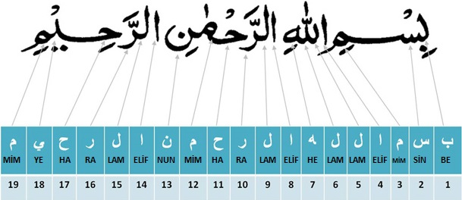
4 | ا | ELİF
5 | ل | LAM
6 | ل | LAM
7 | ه | HE
8 | ا | ELİF
9 | ل | LAM
10 | ر | RA
11 | ح | HA
12 | م | MİM
13 | ن | NUN
14 | ا | ELİF
15 | ل | LAM
16 | ر | RA
17 | ح | HA
18 | ي | YE
19 | م | MİM

TOPLAM 19 (19x1)

